Sheet1
Body Region | Specific Body area |  | Effective Spring Constant K (N/m) | Effective mass Mh (kg) | Max Transferred Energy E (J) | Quasi-static |  |  |  | Transient
 |  |  |  |  |  | Max Pressure Pmax (N/cm²) | Vmax (mm/s) | Max Force Fmax (N) | Vmax (mm/s) | Max Pressure Pmax (N/cm²) | Vmax (mm/s) | Max Force Fmax (N) | Vmax (mm/s)
Neck | 4 | Neck muscle | 50000 | 1.2 | 0.84 | 140 | 1159 | 150 | 621 | 280 | 2317 | 300 | 1241 | 1.1 | A | 2 | cm²
 | 5 | Seventh neck muscle | 50000 | 1.2 | 0.84 | 210 | 1738 | 150 | 621 | 420 | 3476 | 300 | 1241 | 1.1 | Mpayload | 20 | kg
Back and Shoulders | 6 | Shoulder joint | 35000 | 40 | 2.5 | 160 | 374 | 210 | 246 | 320 | 749 | 420 | 491 | 20.7 | Robot | Doosan H2017
 | 7 | Fifth lumbar vertebra | 35000 | 40 | 2.5 | 210 | 491 | 210 | 246 | 420 | 983 | 420 | 491 | 20.7 | Robot position | Full arm
Chest | 8 | Sternum | 25000 | 40 | 1.6 | 120 | 332 | 140 | 194 | 240 | 664 | 280 | 388 | 21.3
 | 9 | Pectoral muscle | 25000 | 40 | 1.6 | 170 | 471 | 140 | 194 | 340 | 941 | 280 | 388 | 21.3 | Mr | 43.7 | kg
Abdomen | 10 | Abdominal muscle | 10000 | 40 | 2.4 | 140 | 613 | 110 | 241 | 280 | 1226 | 220 | 482 | 20.7
Pelvis | 11 | Pelvic bone | 25000 | 40 | 2.6 | 210 | 581 | 180 | 249 | 420 | 1163 | 360 | 498 | 20.9
Upper arms and elbow joints | 12 | Deltoid muscle | 30000 | 3 | 1.5 | 190 | 1309 | 150 | 517 | 380 | 2619 | 300 | 1034 | 2.8
 | 13 | Humerus | 30000 | 3 | 1.5 | 220 | 1516 | 150 | 517 | 440 | 3032 | 300 | 1034 | 2.8
Lower arms and wrist joints | 14 | Radial bone | 40000 | 2 | 1.3 | 190 | 1374 | 160 | 578 | 380 | 2748 | 320 | 1157 | 1.9
 | 15 | Forearm muscle | 40000 | 2 | 1.3 | 180 | 1302 | 160 | 578 | 360 | 2603 | 320 | 1157 | 1.9
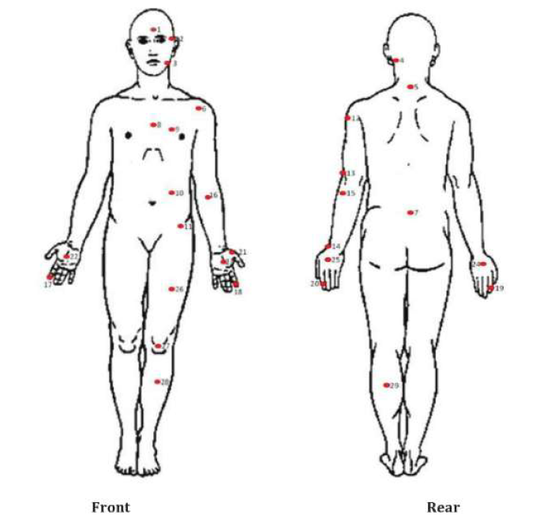
 | 16 | Arm nerve | 40000 | 2 | 1.3 | 180 | 1302 | 160 | 578 | 360 | 2603 | 320 | 1157 | 1.9
Hands and fingers | 17 | Forefinger pad D | 75000 | 0.6 | 0.49 | 300 | 2848 | 140 | 664 | 600 | 5696 | 280 | 1329 | 0.6
 | 18 | Forefinger pad ND | 75000 | 0.6 | 0.49 | 270 | 2563 | 140 | 664 | 540 | 5126 | 280 | 1329 | 0.6
 | 19 | Forefinger end joint D | 75000 | 0.6 | 0.49 | 280 | 2658 | 140 | 664 | 560 | 5316 | 280 | 1329 | 0.6
 | 20 | Forefinger end joint ND | 75000 | 0.6 | 0.49 | 220 | 2088 | 140 | 664 | 440 | 4177 | 280 | 1329 | 0.6
 | 21 | Thenar eminence | 75000 | 0.6 | 0.49 | 200 | 1899 | 140 | 664 | 400 | 3797 | 280 | 1329 | 0.6
 | 22 | Palm D | 75000 | 0.6 | 0.49 | 260 | 2468 | 140 | 664 | 520 | 4936 | 280 | 1329 | 0.6
 | 23 | Palm ND | 75000 | 0.6 | 0.49 | 260 | 2468 | 140 | 664 | 520 | 4936 | 280 | 1329 | 0.6
 | 24 | Back of the hand D | 75000 | 0.6 | 0.49 | 200 | 1899 | 140 | 664 | 400 | 3797 | 280 | 1329 | 0.6
 | 25 | Back of the hand ND | 75000 | 0.6 | 0.49 | 190 | 1804 | 140 | 664 | 380 | 3607 | 280 | 1329 | 0.6
Thighs and knees | 26 | Thigh muscle | 50000 | 75 | 1.9 | 250 | 426 | 220 | 187 | 500 | 851 | 440 | 375 | 27.1
 | 27 | Kneecap | 50000 | 75 | 1.9 | 220 | 375 | 220 | 187 | 440 | 749 | 440 | 375 | 27.1
Lower legs | 28 | Middle of shin | 60000 | 75 | 0.52 | 220 | 342 | 130 | 101 | 440 | 684 | 260 | 202 | 25.5
 | 29 | Calf muscle | 60000 | 75 | 0.52 | 210 | 326 | 130 | 101 | 420 | 653 | 260 | 202 | 25.5

